文件說明
1 | 欄位說明： 功能分類(PSM 維護)：DIADesigner軟體需求項目分類，共8大類 功能項目(PSM 維護)：在DIADesigner 中，左鍵雙擊開啟視窗或右鍵選單按鈕，算一功能項目。例如：雙擊=>(新增裝置)、(通訊設定)、(裝置與錯誤資訊)；右鍵選單=>(裝置複製)、 (POU複製)、(新增ECAM) 功能子項展開(RD 維護)：功能項目若開發時間>15天，則需進子項展開 功能關鍵字-Tag (RD 維護)： 用於後續追縱需求、需求展開、源程序代碼追縱 手冊章節 (PSM 維護)：軟體需求操作手冊對應章節 產品功能 (產品單位填選)：由產品單位依產品需求填選 ●：支援/確認 ○ : 不支援 TBC：待確認
 | 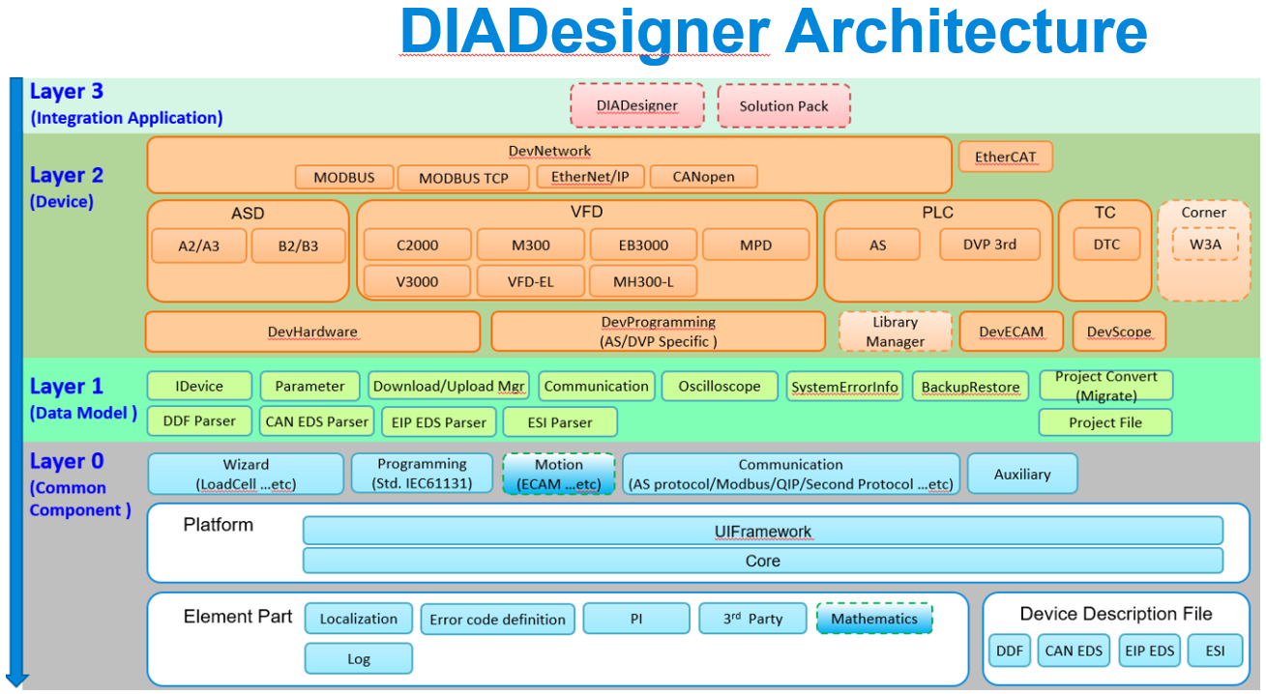 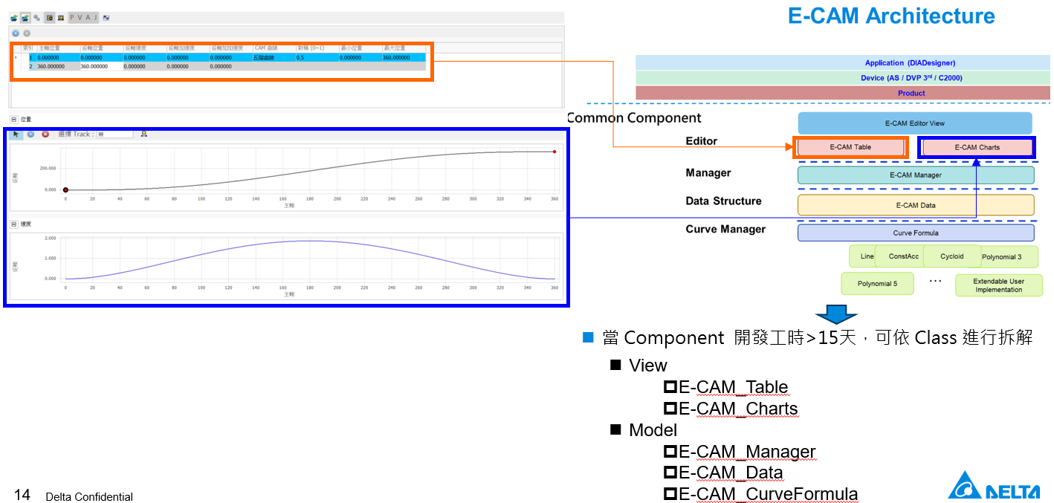 關鍵字命名規則：須參考 DIADesigner 架構圖中的功能方塊命名。功能子項展開須拆解至<15天，而子項展開之關鍵字，則是參考component 架構之命名

